
 |  |  |  | CODE: |  |  | pl1062 aa SN from 97E367
DESCRIPTION: |  | ELECTRIC UNIT 3 |  | ELEKTRISCHE GRUPPE 3 | GROUPE ELECTRIQUE 3 | GRUPO ELÉCTRICO 3 | ELECTRIC UNIT 3
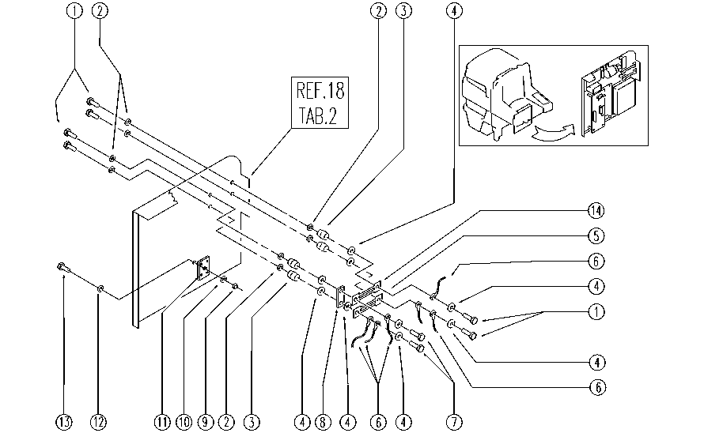

REF. | CODE | DESCRIPTION | QT
1 | E89244 | Screw | 6
2 | E86707 | Cham Washer D10 | 8
3 | E86563 | support | 4
4 | E86704 | Washer D 6-18 | 9
5 | E86836 | Fuse 100 amp | 1
6 | GR23479 | WIRING | 1
7 | SL04180 | SCREW | 2
8 | SL23569 | BRIDGE / JUMPER | 1
9 | E86739 | AS28 Nut | 1
10 | E86797 | Washer | 1
11 | E89088 | Rectifier | 1
12 | E86768 | Washer | 1
13 | SL04088 | SCREW | 1
14 | E86643 | Fuse 75 amp | 1

